Sheet1
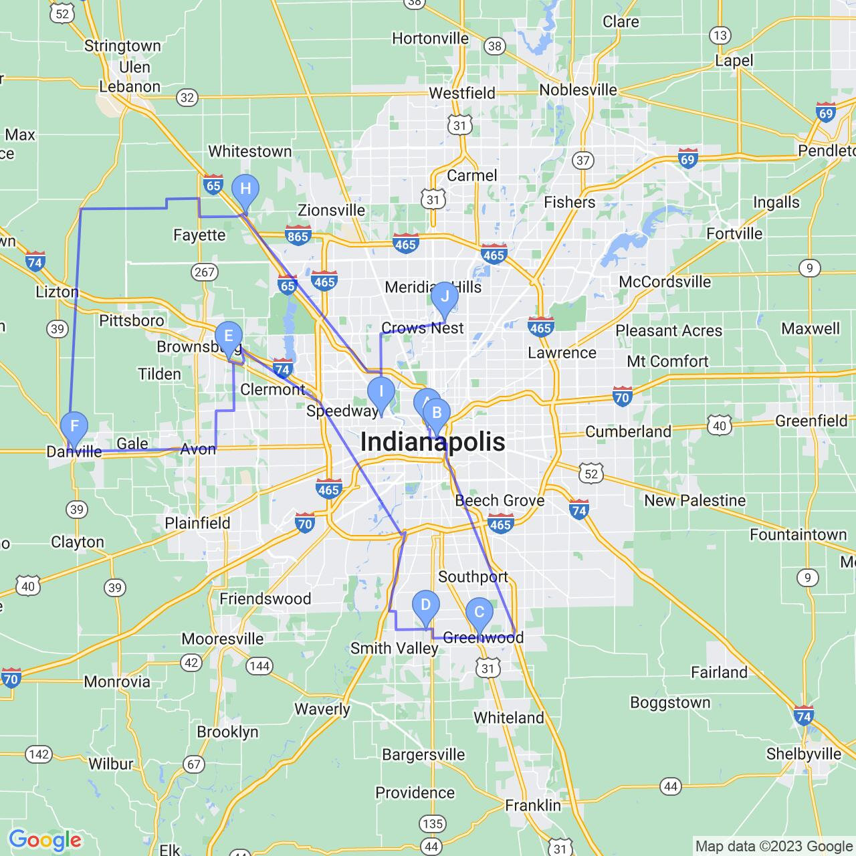
Day | Start time | Name | Address | Cuisine | Travel Distance | Travel time | Transportation Type
Day 1 | 9 A.M | BB&B Bread Truck | 800 Lafayette St, Indianapolis, IN 46202 | Donuts, Bakeries | 0.7 miles | 13 mins | Walk
Day 1 | 11 A.M | Chomp'z Truck | Greenwood, IN 46142 | Food Trucks | 1 mile | 8 mins | Bicycle
Day 1 | 1 P.M | Loco fresh mexican | 6378 Crane Dr, Whitestown, IN 46075 | New Mexican Cuisine | 12.3 miles | 28 mins | Car
Day 1 | 3 P.M | Dizzy Izzy's Food truck | Danville, IN 46122 | Barbeque, Sandwiches | 30 miles | 40 mins | Car
Day 1 | 5 P.M | Fat Cat's Bar-Be-Que | Indianapolis, IN 46222 | Caterers, Barbeque | 25 miles | 36 mins | Car
Day 2 | 10 A.M | Fiesta Tacos | 1565 E Main St, Brownsburg, IN 46112 | Mexican | 15 miles | 22 mins | Car
Day 2 | 1 P.M | El Fuego | Danville, IN 46122 | Tacos | 9.1 miles | 19 mins | Car
Day 2 | 3 P.M | Nacho Mama's Food Truck | Indianapolis, IN 46204 | Tex-Mex | 13.8 miles | 25 mins | Car
Day 2 | 5 P.M | Dashboard Food Truck | 299 W Main St, Greenwood, IN 46142 | Caterers | 28 miles | 41 mins | Car
Day 2 | 7 P.M | Serendipity Mobile Catering | 5922 N College Ave, Indianapolis, IN 46220 | Caterers | 15 miles | 25 mins | Car

